DISP
Ports | DDI Port | Connector Type | Remarks | AUX | DDC | HPD | Comments
Combo Phy Port A | DDIA | eDP | eDP 1.5 | DDIA_AUX | NA | DDSP_HPDALV
Combo Phy Port B | DDI4 | HDMI | HDMI 2.1 | NA | DDP4 | DDSP_HPD4

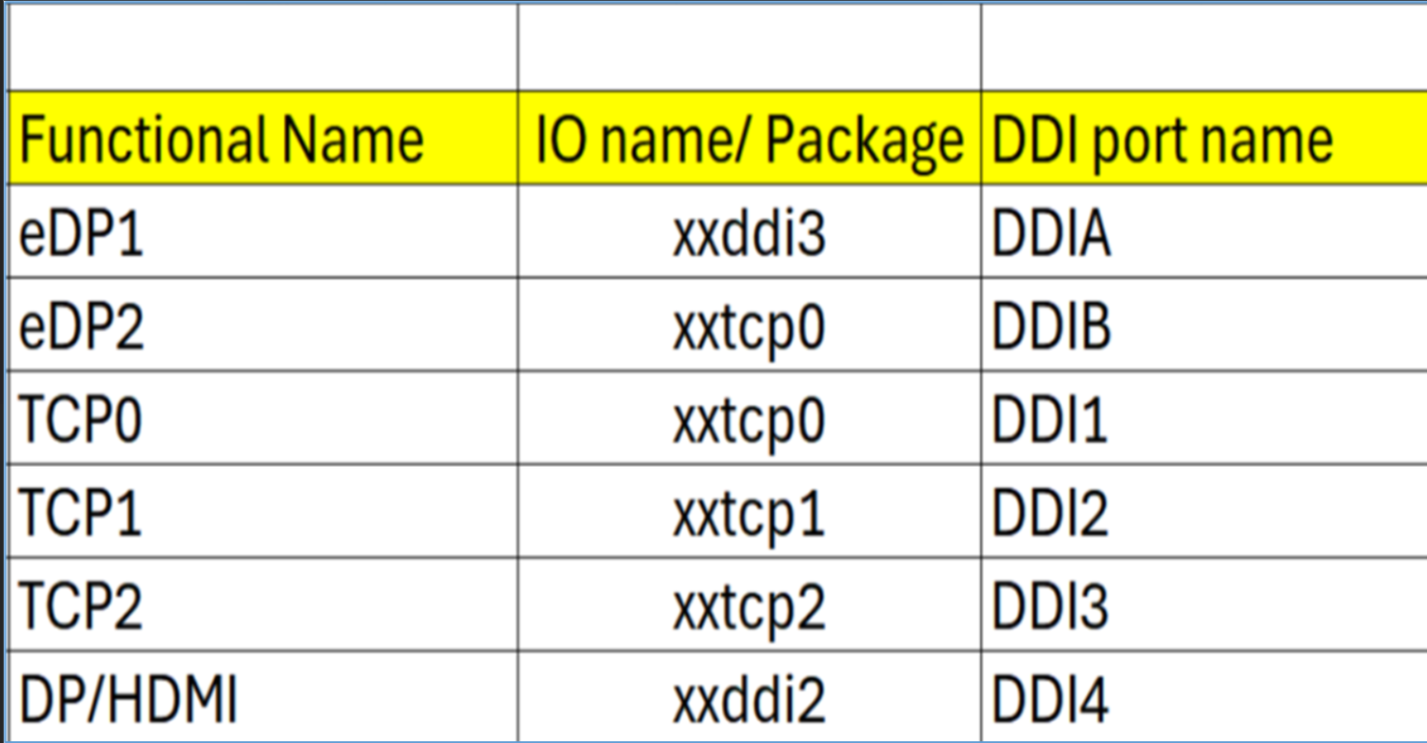
Note : HDMI modules can be plugged on TCP0/1/2 port on NVL-HX T3 RVP to validate HDMI over TCP. Redriver part on module : PS8219QFN46ITR-B0 (Parade) Retimer part on HDMI module : PS8419QFN46ITR-B0 (Parade) Retimer part on RVP01: PS8419QFN46GTR-A1

Package Ball Name | Port Name | Functional Name | Comments
xxddi3 | DDIA | eDP or HDMI
xxddi2 | DDI4 | HDMI
xxtcp0/1/2 | DDI1/2/3 | DP altmode (Type-C) / HDMI using TCSS module | No solder down HDMI
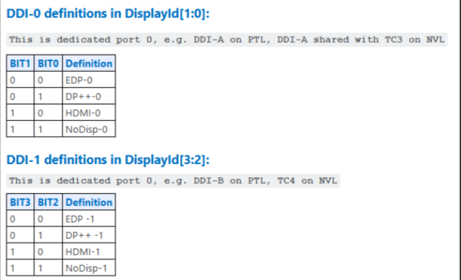
xxtcp0 | DDIB | eDP2 using TCSS module

Display ID | EC I/O EXP | Display
Display ID [1:0] | IO0_[5:4] (DDIA/DDI3)
 | 00 | eDP
 | 01 | DP
 | 10 | HDMI
 | 11 | Reserved
Display ID [3:2] | IO0_[7:6] (DDI-2)
 | 00 | eDP
 | 01 | DP
 | 10 | HDMI
 | 11 | Reserved

Display ID | 1000

PCD-H_ISH
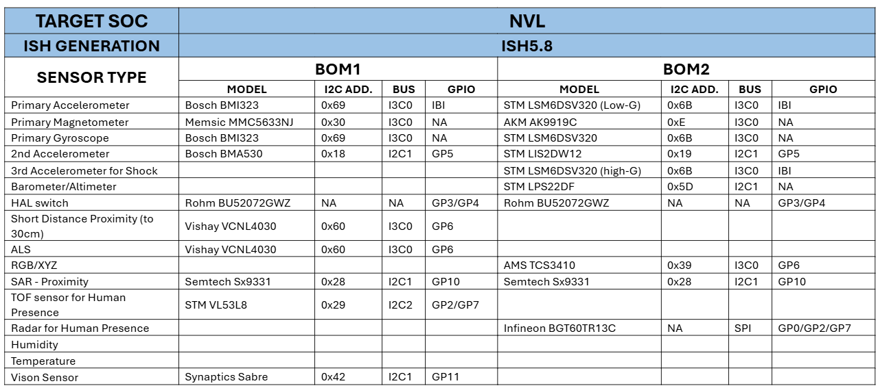
Interface /Port ISH_I2C or ISH_13C | Sensors | BOM1 | BOM1/BOM2 | Speed | I2C/I3C Address | I2C IO Voltage | Interface Voltage | FM+ Compliant?
ISH_I3C0 | 3-axis Accelerometer/3-axis Gyroscope | Bosch BMI323 | BOM1 | 2M | 0x69 | 1.8V | 1.8V | No
ISH_I3C0 | 3-axis Accelerometer / 3-axis Gyroscope | ST LSM6DSV256 | BOM2 | 2M | 0x6B | 1.8V | 1.8V | No
ISH_I3C0 | 3-axis Magnetometer | Memsic MMC5633NJ | BOM1 | 2M | 0x30 | 1.8V | 1.8V | No
ISH_I3C0 | 3-axis Magnetometer | AKM AK9919C | BOM2 | 2M | 0xC | 1.8V | 1.8V | No
ISH_I2C1 | Barometer/Altimeter | ST LPS22DF | BOM2 | 100K/400K | 0X5d | 1.8V | 1.8V | No
ISH_I3C0 | ALS/Short proximity | Vishay VCNL4030 | BOM1 | 100K/400K | 0x60 | 1.8V | 1.8V | No
ISH_I3C0 | RGB/XYZ | AMS TCS3410 | BOM2 | 100K/400K | 0X49/0x39 | 1.8V | 1.8V | No
ISH_I2C1 | SAR - Proximity | Semtech SX9331 | BOM1 | 100K/400K | 0x28 | 1.8V | 1.8V | No
ISH_I2C1 | SAR - Proximity | Semtech SX9331 | BOM2 | 100K/400K | 0x28 | 1.8V | 1.8V | No
ISH_I2C1 | 2nd Accelerometer | Bosch BMA530 | BOM1 | 100K/400K/1M | 0x18 | 1.8V | 1.8V | No
ISH_I2C1 | 2nd Accelerometer | ST LIS2DW12 | BOM2 | 100K/400K | 0x19 | 1.8V | 1.8V | No
ISH_I3C0 | 3rd Accelerometer | ST LSM6DSV256 | BOM2 | 100K/400K | 0x19 | 1.8V | 1.8V | No
GPIO | HAL switch | Rohm BU52072GWZ | BOM1 | NA | NA | 1.8V | 1.8V | No
GPIO | HAL switch | Rohm BU52072GWZ | BOM2 | NA | NA | 1.8V | 1.8V | No
ISH_SPI | Human Presence | Infineon BGT60TR13C | BOM2 | 16M/25M | NA | 1.8V | 1.8V | No
ISH_I2C2 | TOF Sensor | STM VL53L8 | BOM1 | 400K/1M | 0x29 | 1.8V | 1.8V | No
ISH_I2C1 | Vison Sensor | Synaptics Sabre | CRD CONN | NA | NA | 1.8V | 1.8V | No

Port name | NVL-HX RVP Connection
ISH I2C0/I3C0 | ISH_I3C0 for MoSAIC HDR (Default)
ISH I2C1/I3C1 | ISH_I2C1 for MoSAIC HDR (Default), Synaptics CVS(Default)
ISH I2C2 | ISH_I2C2 for MoSAIC HDR (Default)
ISH_SPI | Connected to Sensor HDR

